Traffic - Gráficos
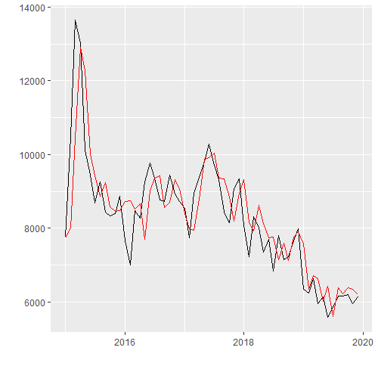
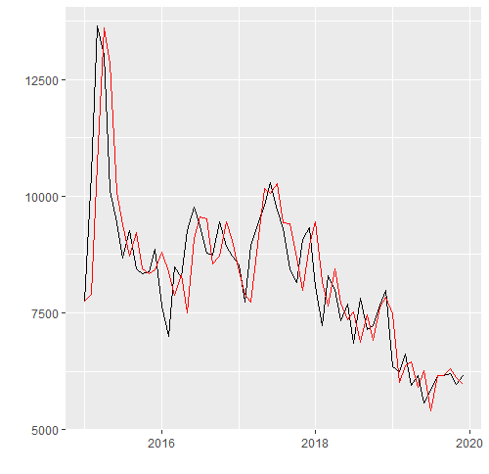
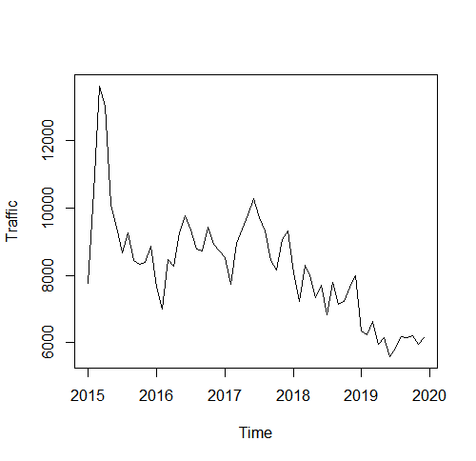
Série de Tempo
 | PLOT | DECOMPOSE

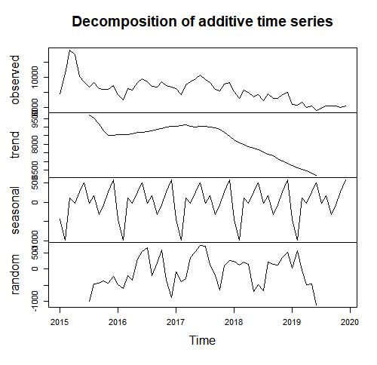

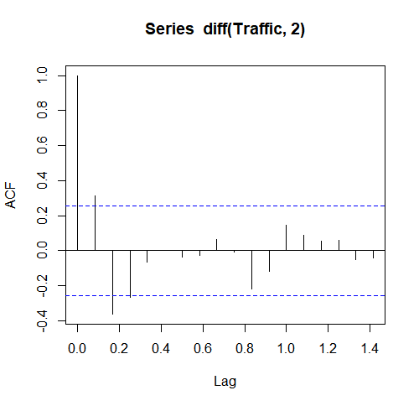
 | ACF | ACF DIFF | ACF DIFF 2

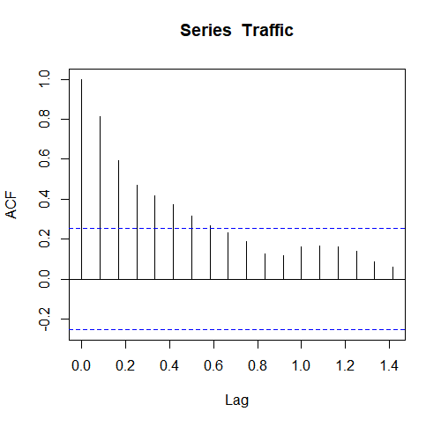
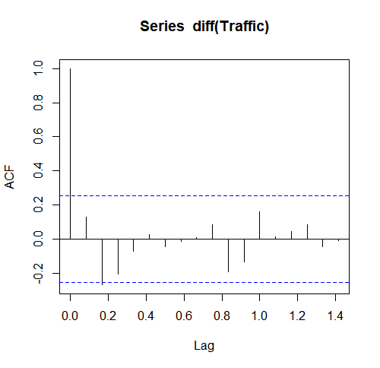

 | PACF | PACF DIFF | PACF DIFF 2

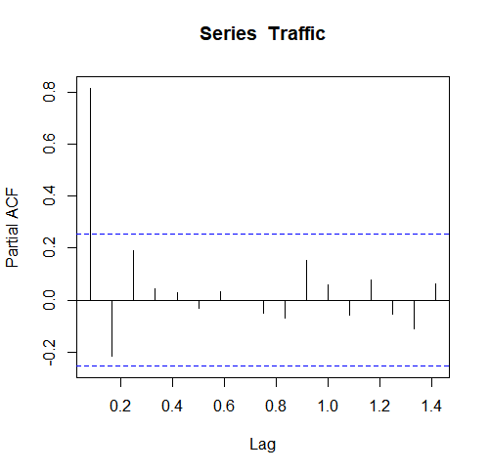
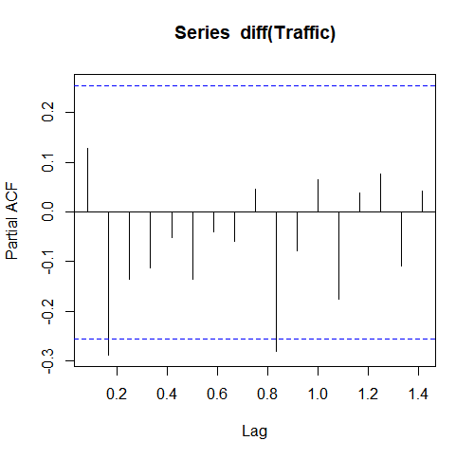
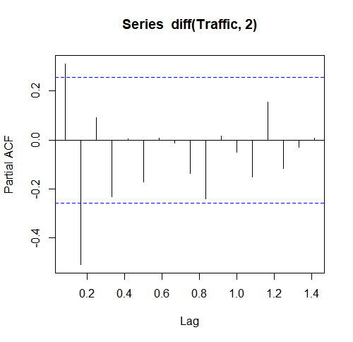

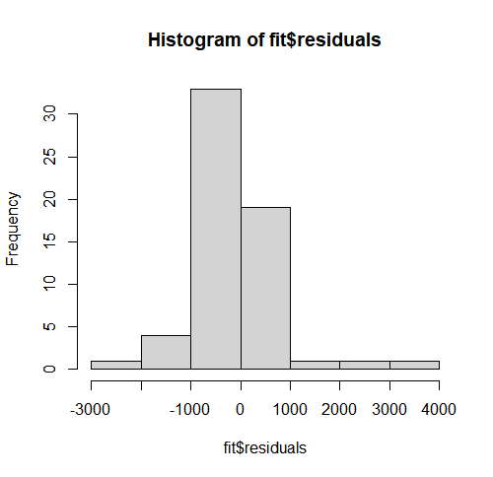
Modelos
 | (1,0,1) (0,0,1) | (1,1, 1) (0,0,1) | (0,1, 0) (1,0,1)
HISTOGRAM
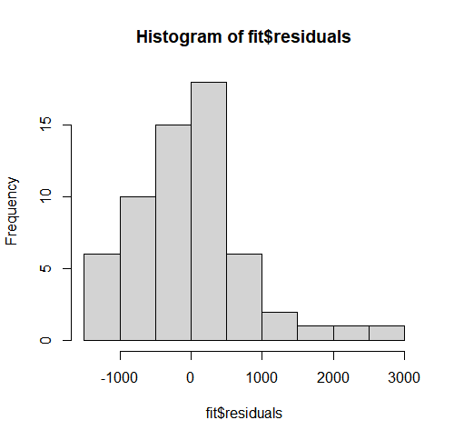
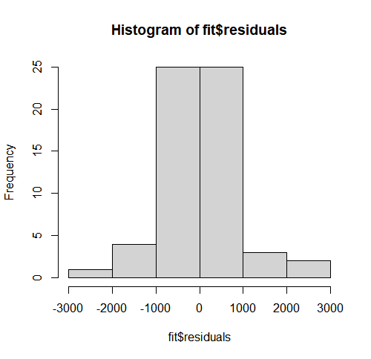

 | (1,0,1) (0,0,1) | (1,1, 1) (0,0,1) | (0,1, 0) (1,0,1)
QQ NORM
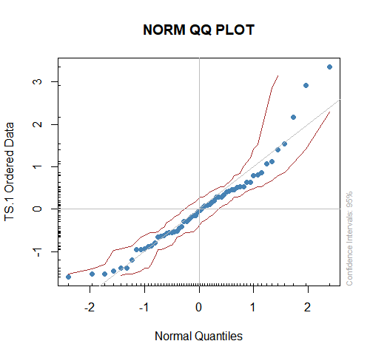
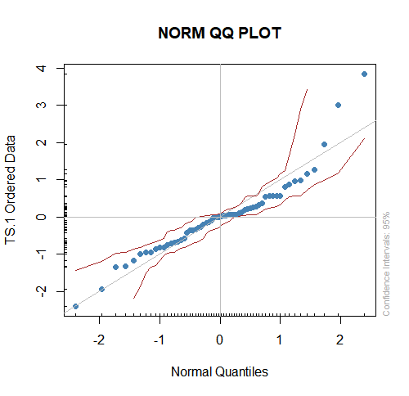
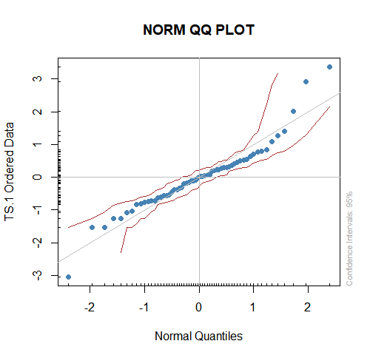

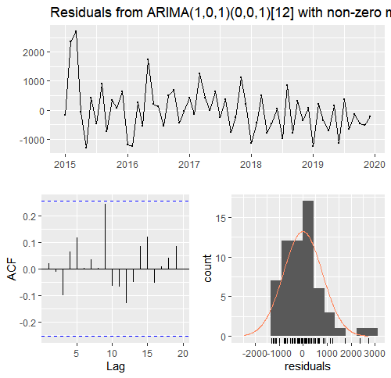
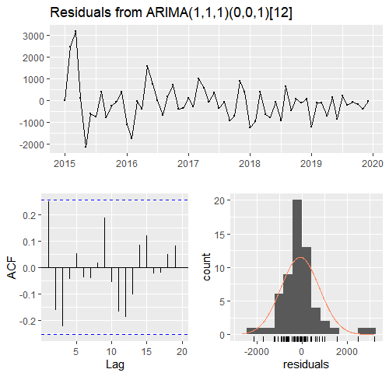
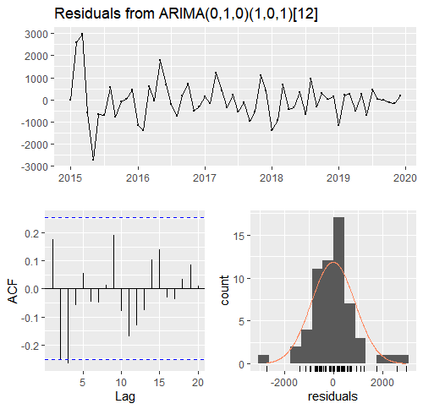
 | (1,0,1) (0,0,1) | (1,1, 1) (0,0,1) | (0,1, 0) (1,0,1)
CHECK
RESIDUALS

 | (1,0,1) (0,0,1) | (1,1, 1) (0,0,1) | (0,1, 0) (1,0,1)
FORECAST
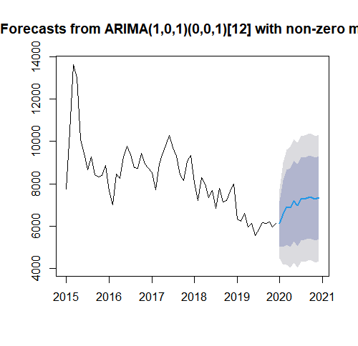
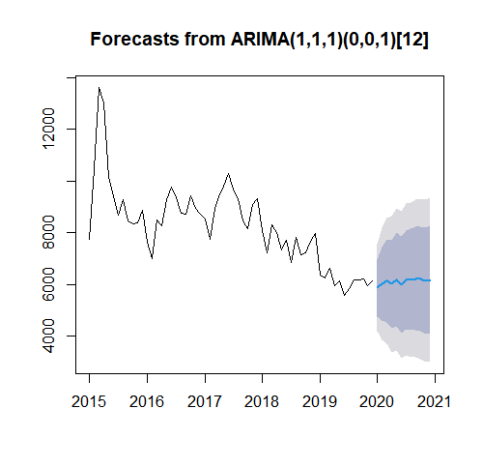
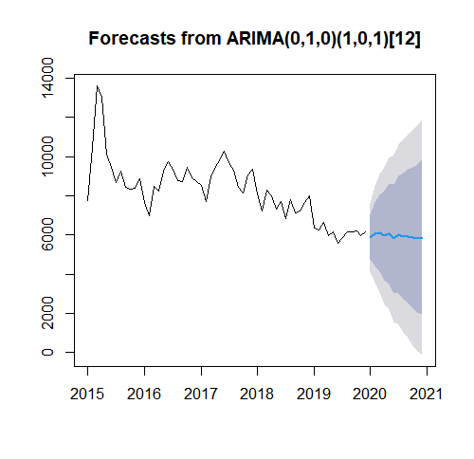

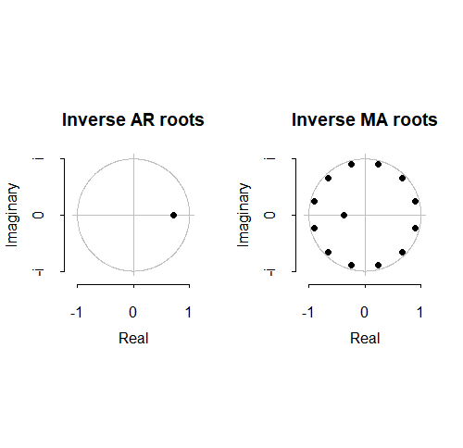
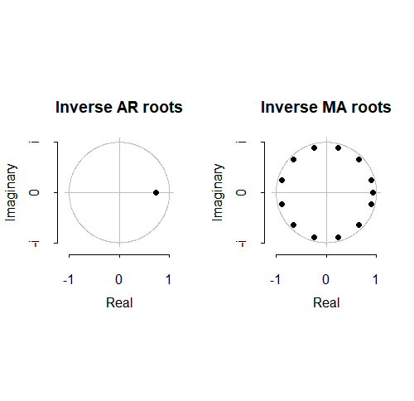
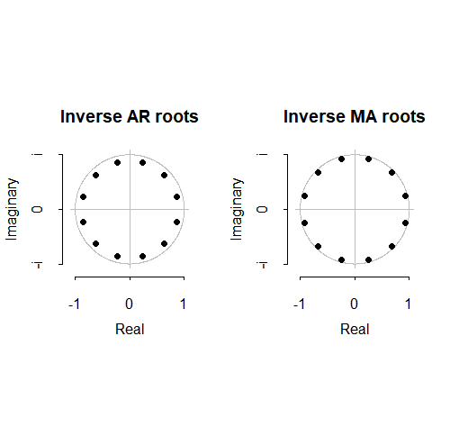
 | (1,0,1) (0,0,1) | (1,1, 1) (0,0,1) | (0,1, 0) (1,0,1)
CÍRCULO
UNITÁRIO

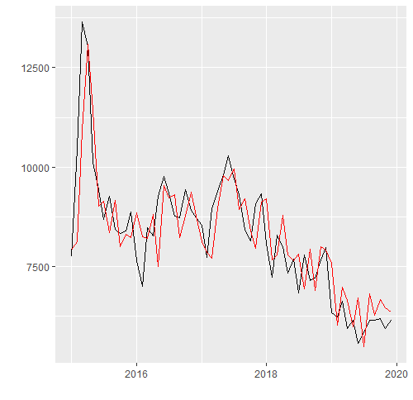
 | (1,0,1) (0,0,1) | (1,1, 1) (0,0,1) | (0,1, 0) (1,0,1)
AUTOPLOT

Sales - Gráficos
Série de Tempo
 |  | PLOT |  | DECOMPOSE
 | 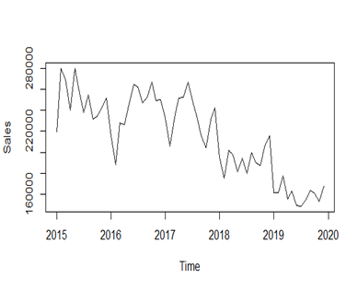 |  | 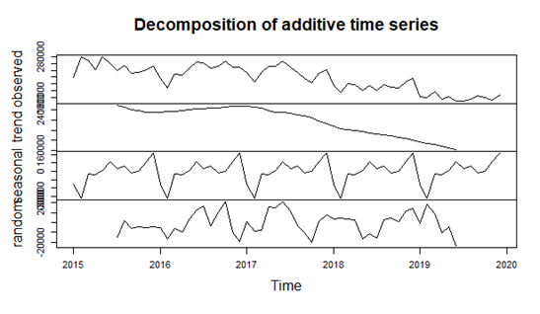

 |  | ACF |  | ACF DIFF |  | ACF DIFF 2
 | 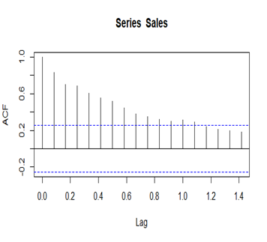 |  | 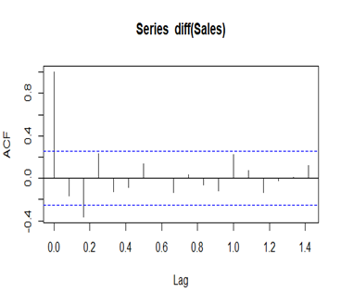 |  | 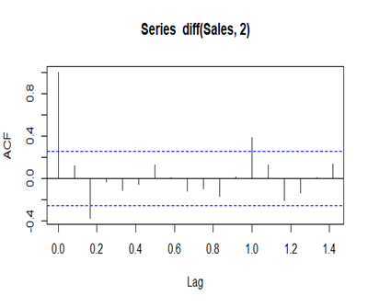

 |  | PACF |  | PACF DIFF |  | PACF DIFF 2
 | 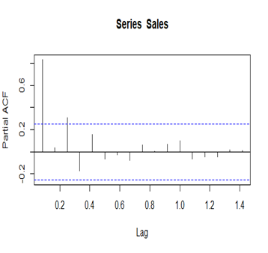 |  | 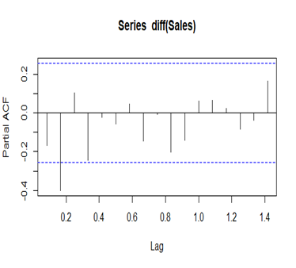 |  | 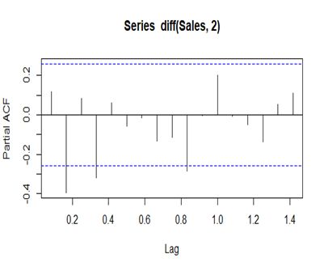

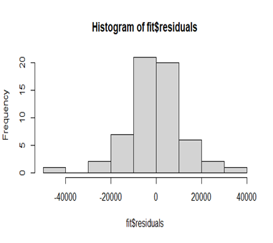
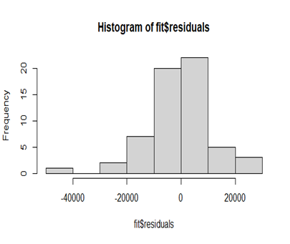
Modelos
 |  | (1,0,3) (0,0,1) |  | (2,1, 2) (2,1,1) |  | (2,1, 2) (3,1,3)
HISTOGRAM | 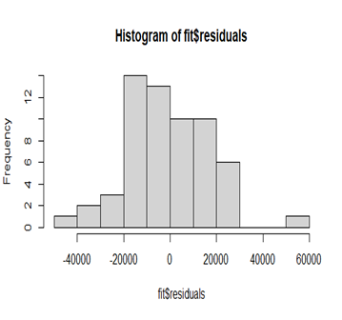

 |  | (1,0,3) (0,0,1) |  | (2,1, 2) (2,1,1) |  | (2,1, 2) (3,1,3)
QQ NORM | 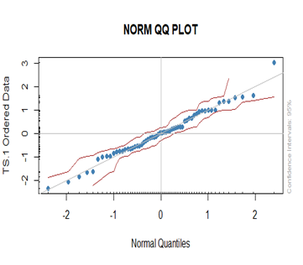 |  | 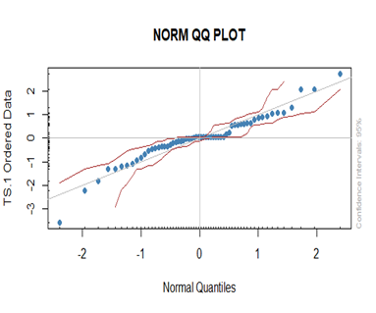 |  | 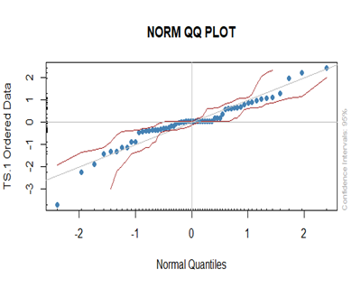

 |  | (1,0,3) (0,0,1) |  | (2,1, 2) (2,1,1) |  | (2,1, 2) (3,1,3)
CHECK | 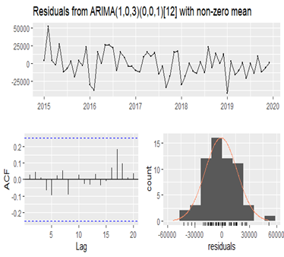 |  | 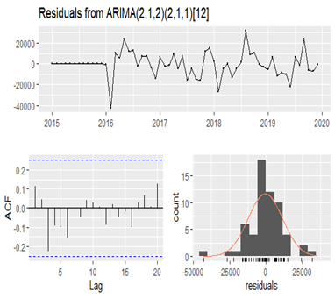 |  | 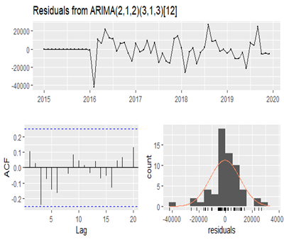
RESIDUALS

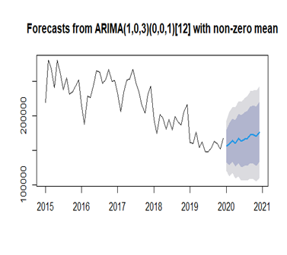
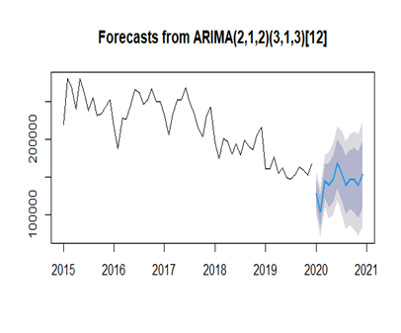
 |  | (1,0,3) (0,0,1) |  | (2,1, 2) (2,1,1) |  | (2,1, 2) (3,1,3)
FORECAST |  |  | 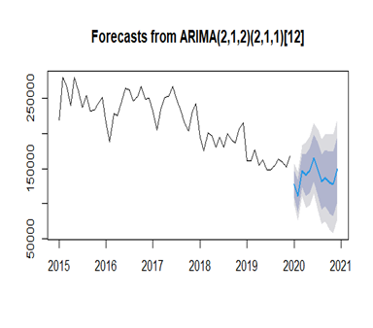

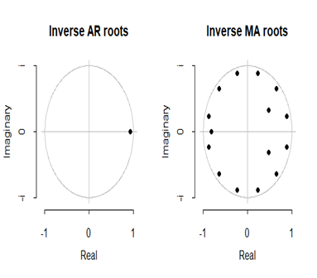
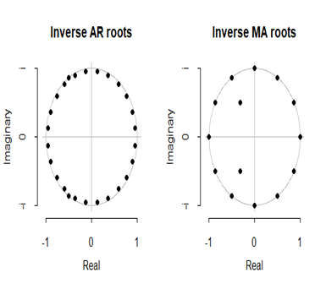
 |  | (1,0,3) (0,0,1) |  | (2,1, 2) (2,1,1) |  | (2,1, 2) (3,1,3)
CÍRCULO |  |  |  |  | 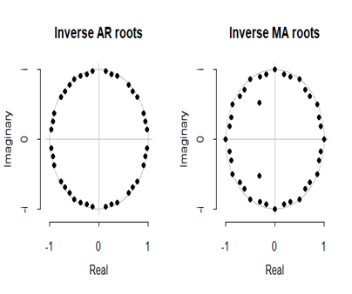
UNITÁRIO

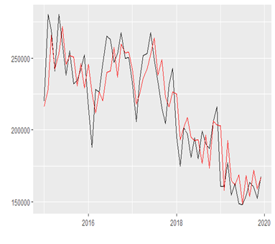


 |  | (1,0,3) (0,0,1) |  | (2,1, 2) (2,1,1) |  | (2,1, 2) (3,1,3)
AUTOPLOT

